ReadMe
How to use this file:
1 | The objective of this file is to provide comprehensive and detailed product features of newly discovered products.
2 | Any new product should be added next to the existing columns (Note: Do not remove any existing filled up product info. )
3 | Column B contains the common fields for each product type. However, it is amendable.
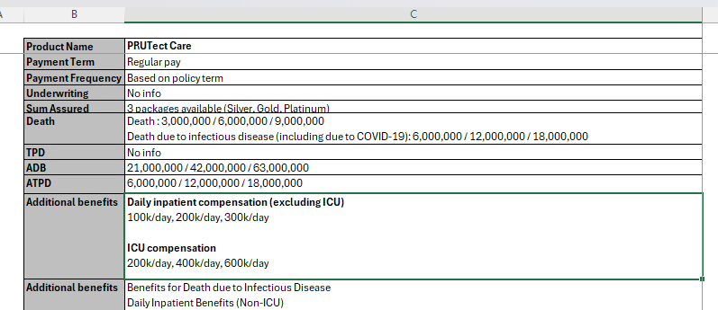

4 | A new row can be added if the new field is expected to be used in other products of the same product type.
5 | A new row is not required if the benefit pertains to this specific product only. In this case, the information can be placed under "Additional Benefits".

Common Fields:
No | Field | Explanation | Expected Input
1 | Product Name | Name of the product | Any
2 | Conventional/Takaful | Conventional - a product is offered by a conventional company and does not comply with Shariah law. Takaful - a product is offered by a takaful operator and comply with Shariah law. | Conventiona/Takaful
3 | General/Life | General - a product offered by general insurance company. Life - a product offered by life insurance company. | General/Life
4 | Insurance Company | Name of the company | Any
5 | Channel | Through which channel is this product distributed? Online - client able to buy this product via online or app. Agency - client only able to buy this product via agency channel. Banca - client only able to buy this product via bank channel. Non-online - choose this category if unable to determine whether it is from agency or banca and client not able to buy this product via online. | Online/Agency/Banca/Non-online Note: For Banca, please include the name of the bank. Example, Banca - CIMB.
6 | Chassis | Underlying structure or framework of the insurance product. If the product is a basic plan: ILP - Investment-linked product UL - Universal life product Par - Traditional participating product Non-par - Traditional non-participating product Hybrid - Mixed of ILP with traditional (i.e, participating or non-participating) product Family Takaful with participant account - there is a participant account keeping the contribution, subsequently, tabarru' is dripping from the participant account. Family Takaful without participant account - there is no participant account keeping the contribution. If the product is a rider: Premium-paying rider (PPR) - there is a prescribed premium pertaining to this rider. It is clearly stated in the Sales Illustration and contract. Unit-deducting rider (UDR) - there is no prescribed premium pertaining to this rider. The cost of the rider is paid by deducting units from the policyholder's investment fund. | ILP/Par/Non-Par/Hybrid/PPR/UDR/Family Takaful with participant account/Family Takaful without participant account
7 | Age Basis | Next birthday - Age at the upcoming birthday Last birthday - Age at the most recent birthday Attained age - The current age of the insured person during the policy | Next birthday/Last birthday/Attained age
8 | Entry Age (years) | Age of the insured person when they first purchase the policy | Any
9 | Premium | The amount of money that an individual or business must pay for an insurance policy. | Any
10 | Policy Term | Duration for which an insurance policy is in effect. It is the period during which the insurance coverage is active and the insurer is obligated to provide coverage as per the terms of the policy. Could be: X years Up to age XX. | X years/Up to age XX.
11 | Payment Term | Duration over which the policyholder is required to make premium payments for an insurance policy. Could be: Full pay - Pay when the policy is in force. X years (limited pay) | Note: if don't explicitly mention limited pay, usually can expect the product to be full pay
12 | Underwriting | GIO - Guaranteed issuance offer (a.k.a. guaranteed acceptance) SIO - Simplified issuance offer (few underwriting questions and does not require medical examination). Full UW - Many underwriting questions, involving detailed assessment and medical examination (if require). | GIO/SIO/Full UW
13 | Sum Assured | Coverage amount or the face value of the policy. Could be: 100% of total premium paid RM25k - subject to underwriting Note: Subject to underwriting means there is no upper limit. Solely based on the company's decision. | Any
14 | Policy Fee per month | This is applicable to ILP and universal product. Any fixed amount of fee that is charged on a monthly basis should be the policy fee of the product. Note: There is no standardized name used in the industry. Some companies use administration fee, administration charge, etc. | Any
15 | Fund Allocation | This is applicable to ILP and hybrid product. MAR prescribed by BNM: Y1 - Y3: 60% Y4 - Y6: 80% Y7 - Y10: 95% Y11 onwards: 100% | Any but the format should be similar to below. Example Y1 - Y3: 60% Y4 - Y6: 80% Y7 - Y10: 95% Y11 onwards: 100%
16 | Death | Amount of money paid by the company upon the death of the life assured. Could be SA - sum assured Max (SA, AV) - higher of sum assured or account value Max (SA, AV1) + AV2 - (higher of sum assured or account value 1) PLUS account value 2 | SA/Max (SA,AV)/Any other inputs
17 | TPD | Amount of money paid by the company upon the TPD of the life assured. Could be SA - sum assured Max (SA, AV) - higher of sum assured or account value Max (SA, AV1) + AV2 - (higher of sum assured or account value 1) PLUS account value 2 | SA/Max (SA,AV)/Any other inputs
18 | ADB | Amount of money paid by the company upon the accidental death of the life assured. Could be Additional 100% of SA - additional 100% of sum assured is payable on top of the death beneit. Max (2 X SA, AV) - higher of 200% of sum assured or account value | Additional 1x of SA/Max (2xSA, AV)/Any other inputs
19 | ATPD | Amount of money paid by the company upon the accidental TPD of the life assured. Could be Additional 100% of SA - additional 100% of sum assured is payable on top of the TPD beneit. Max (2xSA, AV) - higher of 200% of sum assured or account value | Additional 1x of SA/Max (2xSA, AV)/Any other inputs
20 | Maturity | Amount paid to the policyholder when a life insurance policy reaches the end of its term, provided the life assured is still alive. Could be 100% of total premium paid (TPP) 100% of SA | 1x of TPP/1x of SA/Any other inputs
21 | Additional Benefits | Additional Benefits are features or coverages included in an insurance policy that provide extra protection or value beyond the basic coverage. These benefits are automatically included when a policyholder purchases the product and are unique to the specific insurance plan. Example Guaranteed post-cancer cover option (CI tab, Complete Cancer Care) Note: If the benefit is unique to a product and rarely found in any other products, we should categorize it as Additional Benefits. | Any
22 | Optional Benefits | Optional Benefits are additional coverages or features that policyholders can choose to add to their insurance policy. These benefits are not included in the standard policy by default but are available for an extra premium/COI. Policyholders can opt in to these benefits based on their individual needs and preferences, allowing for greater customization of their insurance coverage. Example Riders | Any Note: Input for rider, do not need to put in the name of the rider. Should put in the rider category. Example: WOP rider, Accelerated CI rider, Additional CI rider, Medical rider, Term Life rider, Term TPD rider, Disability Income rider, etc.

Product Category:
No | Product Category | Explanation
1 | Life Protection | Life protection insurance provides a financial safety net for the policyholder's beneficiaries in the event of the policyholder's death during the policy term. If a product does not prominently feature savings, investment, CI (Critical Illness), or medical benefits, and the sum assured does not qualify as high protection, it should be categorized under life protection.
2 | High Protection | A product starts with RM200k sum assured and above.
3 | Investment | A product targeting clients with investment appetite and can accept higher risk for higher returns. The product should give policyholders the flexibility to choose the investment fund (e.g, equity fund, bond fund, balanced fund, etc.)
4 | Savings | Savings insurance plans are designed to help policyholders save for future financial goals while providing a death benefit. Policyholders do not have the decide how the money is invested. Typically, some of the returns are guaranteed if the policy remains in force throughout the policy term.
5 | CI | Critical illness insurance provides a lump-sum payment upon diagnosis of a covered critical illness, such as cancer, heart attack, or stroke.
6 | Medical | Medical insurance covers the cost of medical and surgical expenses incurred by the insured due to illness or injury.

Life Protection
Product Name | PRUTect Care | RAYA Pro Maxima | GREAT Prestige Protector | FWD Tomorrow Protection
Conventional/Takaful | Takaful | Takaful | Conventional | Conventional
General/Life | Life | Life | Life | Life
Insurance Company | Prudential Syariah | Generali Indonesia | Great Eastern | FWD
Channel | Non-online | Non-online | Banca - Ganesha and Mestika | Agency
Chassis | Non-par | Family Takaful with participant account | ILP | Non-Par
Age Basis | Next birthday | Nearest birthday | Next birthday | Last birthday
Entry Age (years) | 18 - 50 years old | 15 year Insurance Period: 31 days - 55 years 20 year Insurance Period: 31 days - 50 years | 14 days - age 80
Premium | Starting from IDR 8,000/month for PRUTect silver care package. Contribution amount applies according to the type of package agreed with Policy Holder and can be seen in the application). | Minimum: IDR 24,000,000 per year | Min IDR 50,000,000 single premium Initial additional single premium: - min IDR 10,000,000, max 3*single basic premium - only can be added at time of initial application | NA
Policy Term | 1, 3, 6, or 12 months | 15 years or 20 years | Until insured reach age 99 | 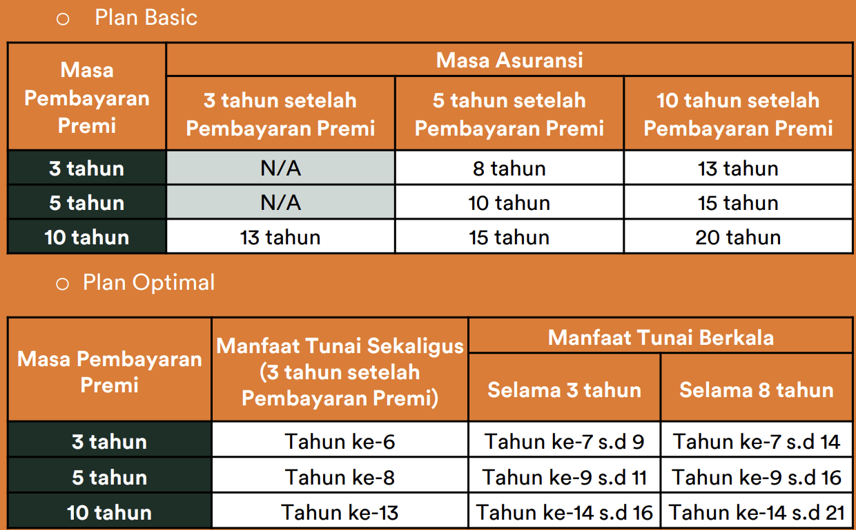
Payment Term | Regular pay | 5 years | pay in one lump sum | 3 years / 5 years / 10 years
Payment Frequency | Based on policy term | Annually, Half-yearly, Quarterly or Monthly | pay in one lump sum | Annually, Half-yearly, Quarterly or Monthly
Underwriting | No info | Underwriting Surplus The excess of Tabarru' Funds or Tanahud Funds plus other elements relating to the addition of Tabarru' Funds or Tanahud Funds minus Insurance Benefits that have been submitted as well as other elements relating to reductions in Tabarru' Funds or Tanahud Funds, within a certain period. The amount of the distribution of underwriting surplus on the Tabarru' Fund is as follows: 1. For Tabarru' Funds, 40%. 2. For Managers, 30%. 3. For Policy Holders 30%. In the event that there is an Underwriting Surplus on the Tanahud Fund, the entire amount is allocated to the Tanahud Fund. | NA | NA
Sum Assured | 3 packages available (Silver, Gold, Platinum) | 15 year Insurance Period: 110% of total Contribution paid 20 year Insurance Period: 120% of total Contribution paid | Min 1.5 * single basic premium Max 5 * single basic premium | Min IDR 100,000,000
Death | Death : 3,000,000 / 6,000,000 / 9,000,000 Death due to infectious disease (including due to COVID-19): 6,000,000 / 12,000,000 / 18,000,000 | If the Participant Dies during the Insurance Period, 100% of the Insurance Compensation will be paid, and the Annual Benefits that have not been handed over will be paid in one lump sum. In the event that the Participant's age at the time of Death has not reached 4 years, the Management will hand over Insurance Benefits with the following percentage factors: < 1 year : 20% 1 year < 2 year: 40% 2 year < 3 year: 60% 3 year < 4 year: 80% 4 year and above: 100% | Max(Sum assured, total cash value) | 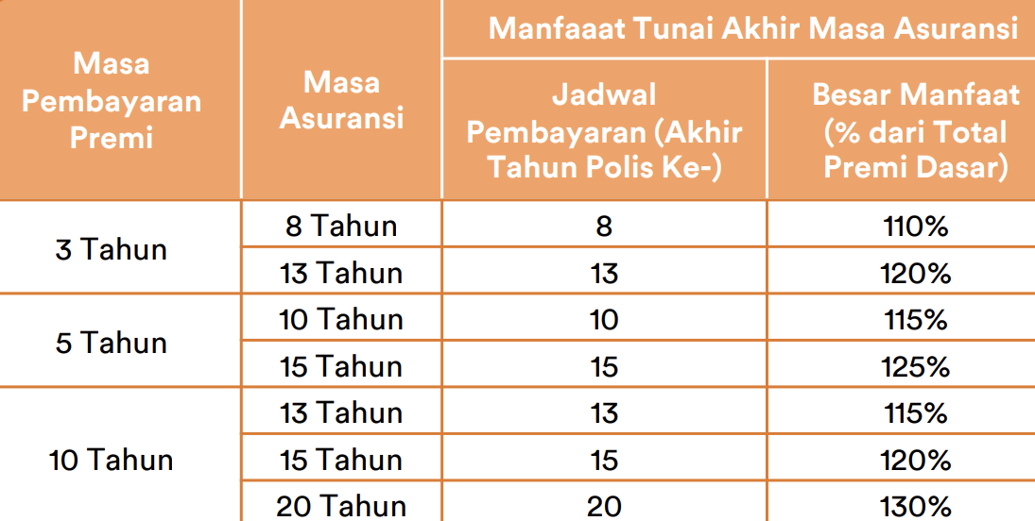 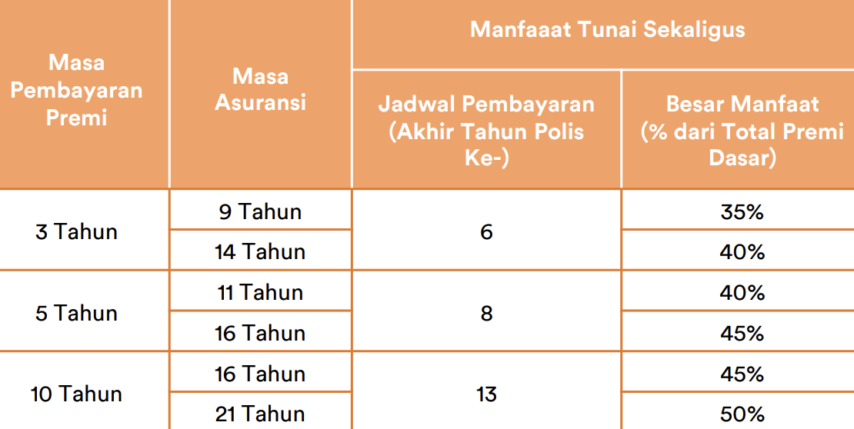 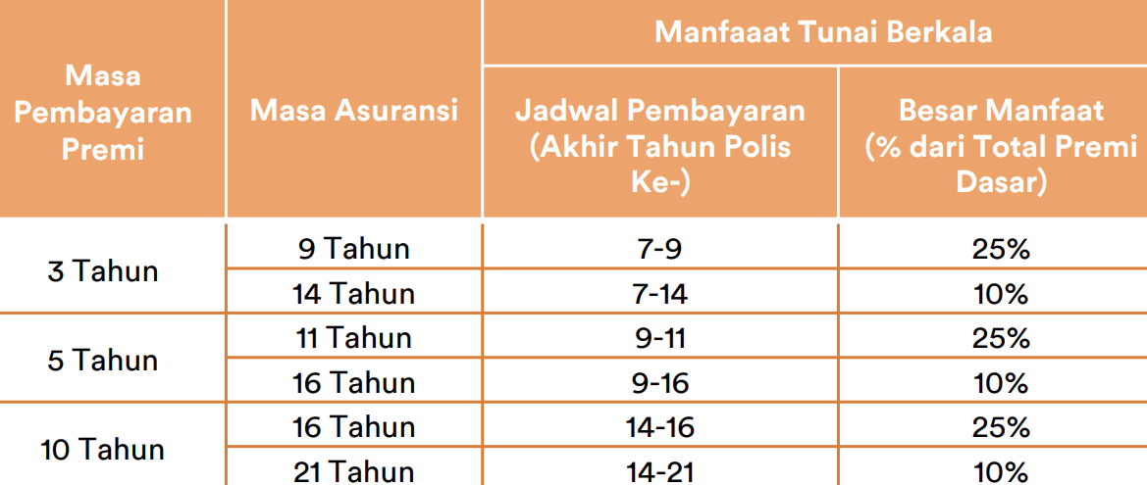 Plan Basic: max(100% sum assured, cash benefit end of insurance period) Plan Optimal: - if die before lump sum cash benefit paid, DB = max(100% sum assured, total cash benefit) - if die after lump sum cash benefit paid, DB = max(50% sum assured, remaining unpaid cash benefit)
TPD | No info | No info | NA | NA
ADB | 21,000,000 / 42,000,000 / 63,000,000 | No info | NA | Plan Basic: if age not more than age 75, ADB = DB + 100% sum assured Plan Optimal: if age not more than age 75, ADB = DB + 100% sum assured
ATPD | 6,000,000 / 12,000,000 / 18,000,000 | No info | NA | NA
Additional benefits | Daily inpatient compensation (excluding ICU) 100k/day, 200k/day, 300k/day ICU compensation 200k/day, 400k/day, 600k/day | Annual Benefits The Manager will hand over Annual Benefits every Policy Anniversary in the amount of a percentage of the annualized Contribution (excluding Special Condition Contributions (if any)), with the following conditions: 15 year insurance period: Policy Years 6 - 15: 15% Annual Contribution 20 year insurance period: Policy Years 6 - 20: 15% Annual Contribution | Same level of return for the first 10 years Sum assured remains same for first 10 years, even if there has been a fund withdrawal If insured alive until expiration date, insured will get total cash value minus obligations and fee | - Waiver of premium: if diagnosed with total permanent disability or one of critical illness, further premium payment is exempted - Payor Waiver: if the policyholder (not the insured), are at risk of death, diagnosed with total permanent disability or one of critical illness, further premium payment is exempted Additional premium will be charged for additional benefit
Additional benefits | Benefits for Death due to Infectious Disease Daily Inpatient Benefits (Non-ICU) Emergency Outpatient Treatment for Accident Injuries Total Disability Benefits Benefits of Diagnosing Critical Conditions for Breast Cancer Benefits of ICU Care Total Disability Benefits due to Accident Accidental Death Benefits Benefits of Surgery Benefits of ICU Treatment for Cancer Benefits of Diagnosing Critical Cancer Conditions Benefits of Critical Condition Diagnosis Daily Benefits of Inpatient Treatment for Critical Conditions for Breast Cancer Daily Benefits of Inpatient Care for Critical Conditions for Cancer Daily Benefits of Critical Condition Inpatient Care Benefits for Death Due to Cancer Benefits for Death Due to the Infectious Disease COVID-19 Benefits of Death Due to the Infectious Disease Dengue Hemorrhagic Fever Benefits for Death Due to Malaria Infectious Disease Benefits of Death Due to Infectious Diseases Typhoid and Paratyphoid Fever Benefits for Death Due to Measles Contagious Disease Benefits of Diagnosing the Infectious Disease Dengue Hemorrhagic Fever Benefits of Diagnosis of Malaria Infectious Diseases Benefits of Diagnosis of Typhoid and Paratyphoid Fever Infectious Diseases Benefits of Measles Infectious Disease Diagnosis Daily Benefits of Hospitalization Due to the Infectious Disease Dengue Hemorrhagic Fever Daily Benefits of Hospitalization Due to Malaria Infectious Disease Daily Benefits of Hospitalization Due to Infectious Diseases Typhoid and Paratyphoid Fever Daily Benefits of Hospitalization Due to Measles Infectious Disease | End of Insurance Period Benefits If the Participant is still alive until the Insurance Period ends and the Policy status remains active, the Manager will provide 100% of the Insurance Compensation. | NA | NA
Additional benefits | No info | Tanahud Refund Benefits If the Policy Holder submits a Policy Redemption, the Policy will end and the Tanahud Fund refund provisions as stated in the Policy Overview will apply. | NA | NA
Optional Benefits | No info | No info | NA | NA

